CPCD20 25E
 |  |  |  |  | Mast Capacity Chart |  |  |  |  |  | CPC(D)20
门架类型 Mast Type | 最大举升高度 Maximum Fork Height (MFH) |  | 门架高度 Mast Overall Lowered Height (OAL) |  | 自由起升高度 Free Lift (FL) with Load Backrest* |  | 门架倾斜角度(前/后) Mast Tilt Angle (F/B) | 额定承载能力 Rated Load Capacity |  |  |  | 带货叉时的整机重量 Total Weight with Standard Forks
 |  |  |  |  |  |  |  | 货叉 With Standard Forks |  | 侧移器 With Sideshifter |  | CPC(D)20
 | Forks | side shifter
 | mm | in | mm | in | mm | in | degrees | kg @ 500mm LC | lbs @ 20in LC | kg @ 500mm LC | lbs @ 20in LC | kg | lbs
二级普通门架 Standard 2-Stage | 2000 | 78.7 | 1580 | 62.2 | 140 | 5.5 | 6 / 10 | 2000 | 4000 | 1850 | 3700 | 3283 | 7237
 | 2500 | 98.4 | 1830 | 72.0 | 140 | 5.5 | 6 / 12 | 2000 | 4000 | 1850 | 3700 | 3319 | 7317
 | 3000 | 118.1 | 2080 | 81.9 | 140 | 5.5 | 6 / 12 | 2000 | 4000 | 1850 | 3700 | 3355 | 7396
 | 3300 | 129.9 | 2230 | 87.8 | 140 | 5.5 | 6 / 12 | 2000 | 4000 | 1800 | 3600 | 3377 | 7444
 | 3500 | 137.8 | 2330 | 91.7 | 140 | 5.5 | 6 / 12 | 2000 | 4000 | 1700 | 3400 | 3391 | 7476
 | 4000 | 157.5 | 2630 | 103.5 | 140 | 5.5 | 6 / 6 | 2000 | 4000 | 1600 | 3200 | 3463 | 7634
 | 4500 | 177.2 | 2880 | 113.4 | 140 | 5.5 | 6 / 6 | 1920 | 3840 | 1400 | 2800 | 3499 | 7714
 | 5000 | 196.9 | 3130 | 123.2 | 140 | 5.5 | 6 / 6 | 1660 | 3320 | 1200 | 2400 | 3535 | 7793
二级全自由门架 Full Free 2-Stage | 2700 | 106.3 | 1930 | 76.0 | 830 | 32.7 | 6 / 12 | 2000 | 4000 | 1850 | 3700 | 3359 | 7405
 | 3000 | 118.1 | 2080 | 81.9 | 980 | 38.6 | 6 / 12 | 2000 | 4000 | 1850 | 3700 | 3385 | 7463
 | 3300 | 129.9 | 2230 | 87.8 | 1130 | 44.5 | 6 / 12 | 2000 | 4000 | 1850 | 3700 | 3377 | 7444
 | Forks | side shifter
 | 3500 | 137.8 | 2330 | 91.7 | 1230 | 48.4 | 6 / 12 | 2000 | 4000 | 1700 | 3400 | 3391 | 7476
 | 4000 | 157.5 | 2630 | 103.5 | 1530 | 60.2 | 6 / 6 | 2000 | 4000 | 1600 | 3200 | 3463 | 7634
三级全自由门架 Full Free 3-Stage | 3600 | 141.7 | 1820 | 71.7 | 781 | 30.7 | 6 / 6 | 1800 | 3600 | 1550 | 3100 | 3469 | 7647
 | 4000 | 157.5 | 1950 | 76.8 | 911 | 35.9 | 6 / 6 | 1800 | 3600 | 1500 | 3000 | 3501 | 7718
 | 4300 | 169.3 | 2050 | 80.7 | 1011 | 39.8 | 6 / 6 | 1800 | 3600 | 1400 |  | 3522 | 7765
 | 4500 | 177.2 | 2120 | 80.7 | 1081 | 42.6 | 6 / 6 | 1700 | 3400 | 1300 | 2600 | 3538 | 7799
 | 4700 | 185.0 | 2190 | 83.5 | 1151 | 45.3 | 6 / 6 | 1500 | 3000 | 1200 | 2400 | 3553 | 7833
 | 5000 | 196.9 | 2290 | 86.2 | 1251 | 49.3 | 6 / 6 | 1500 | 3000 | 1100 | 2200 | 3575 | 7881
 | 5500 | 216.5 | 2380 | 90.2 | 1341 | 52.8 | 6 / 6 | 1200 | 2400 | 1000 | 2000 | 3655 | 8058
 | 6000 | 236.2 | 2540 | 93.7 | 1501 | 59.1 | 6 / 6 | 900 | 1800 | 900 | 1800 | 3708 | 8174

 |  |  |  |  | Mast Capacity Chart |  |  |  |  |  | CPC(D)25
门架类型 Mast Type | 最大举升高度 Maximum Fork Height (MFH) |  | 门架高度 Mast Overall Lowered Height (OAL) |  | 自由起升高度 Free Lift (FL) with Load Backrest* |  | 门架倾斜角度(前/后) Mast Tilt Angle (F/B) | 额定承载能力 Rated Load Capacity |  |  |  | 带货叉时的整机重量 Total Weight with Standard Forks
 |  |  |  |  |  |  |  | 货叉 With Standard Forks |  | 侧移器 With Sideshifter |  | CPC(D)25
 | Forks | side shifter
 | mm | in | mm | in | mm | in | degrees | kg @ 500mm LC | lbs @ 20in LC | kg @ 500mm LC | lbs @ 20in LC | kg | lbs
二级普通门架 Standard 2-Stage | 2000 | 78.7 | 1580 | 62.2 | 140 | 5.5 | 6 / 10 | 2500 | 5000 | 2350 | 4700 | 3483 | 7678
 | 2500 | 98.4 | 1830 | 72.0 | 140 | 5.5 | 6 / 12 | 2500 | 5000 | 2350 | 4700 | 3519 | 7758
 | 3000 | 118.1 | 2080 | 81.9 | 140 | 5.5 | 6 / 12 | 2500 | 5000 | 2350 | 4700 | 3555 | 7837
 | 3300 | 129.9 | 2230 | 87.8 | 140 | 5.5 | 6 / 12 | 2500 | 5000 | 2300 | 4600 | 3577 | 7885
 | 3500 | 137.8 | 2330 | 91.7 | 140 | 5.5 | 6 / 12 | 2500 | 5000 | 2200 | 4400 | 3591 | 7917
 | 4000 | 157.5 | 2630 | 103.5 | 140 | 5.5 | 6 / 6 | 2300 | 4600 | 2100 | 4200 | 3663 | 8075
 | 4500 | 177.2 | 2880 | 113.4 | 140 | 5.5 | 6 / 6 | 2100 | 4200 | 1900 | 3800 | 3699 | 8155
 | 5000 | 196.9 | 3130 | 123.2 | 140 | 5.5 | 6 / 6 | 1900 | 3800 | 1700 | 3400 | 3735 | 8234
二级全自由门架 Full Free 2-Stage | 2700 | 106.3 | 1930 | 76.0 | 830 | 32.7 | 6 / 12 | 2500 | 5000 | 2350 | 4700 | 3550 | 7826
 | 3000 | 118.1 | 2080 | 81.9 | 980 | 38.6 | 6 / 12 | 2500 | 5000 | 2350 | 4700 | 3585 | 7903
 | 3300 | 129.9 | 2230 | 87.8 | 1130 | 44.5 | 6 / 12 | 2500 | 5000 | 2350 | 4700 | 3609 | 7956
 | Forks | side shifter
 | 3500 | 137.8 | 2330 | 91.7 | 1230 | 48.4 | 6 / 12 | 2500 | 5000 | 2200 | 4400 | 3625 | 7956
 | 4000 | 157.5 | 2630 | 103.5 | 1530 | 60.2 | 6 / 6 | 2300 | 4600 | 2100 | 4200 | 3663 | 7991
三级全自由门架 Full Free 3-Stage | 3600 | 141.7 | 1820 | 71.7 | 781 | 30.7 | 6 / 6 | 2300 | 4600 | 2050 | 4100 | 3669 | 8088
 | 4000 | 157.5 | 1950 | 76.8 | 911 | 35.9 | 6 / 6 | 2150 | 4300 | 2000 | 4000 | 3701 | 8159
 | 4300 | 169.3 | 2050 | 80.7 | 1011 | 39.8 |  | 2100 |  | 1900 | 3800 | 3722 | 8206
 | 4500 | 177.2 | 2120 | 80.7 | 1081 | 42.6 | 6 / 6 | 2000 | 4000 | 1800 | 3600 | 3738 | 8240
 | 4700 | 185.0 | 2190 | 83.5 | 1151 | 45.3 | 6 / 6 | 1900 | 3800 | 1700 | 3400 | 3753 | 8273
 | 5000 | 196.9 | 2290 | 86.2 | 1251 | 49.3 | 6 / 6 | 1800 | 3600 | 1600 | 3200 | 3775 | 8322
 | 5500 | 216.5 | 2380 | 90.2 | 1341 | 52.8 | 6 / 6 | 1500 | 3000 | 1500 | 3000 | 3855 | 8499
 | 6000 | 236.2 | 2540 | 93.7 | 1501 | 59.1 | 6 / 6 | 1200 | 2400 | 1400 | 2800 | 3908 | 8615

CPD20 25 E
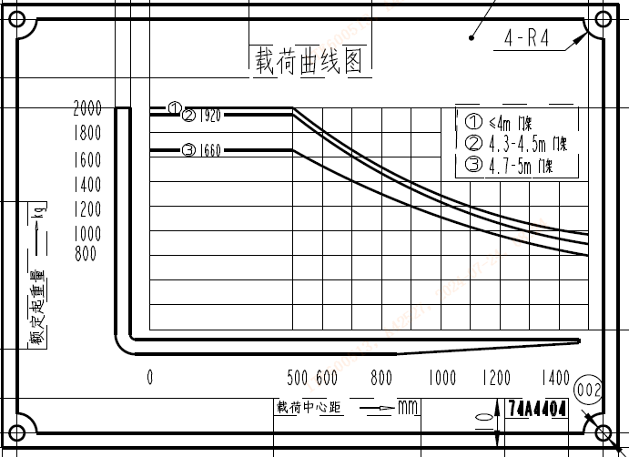
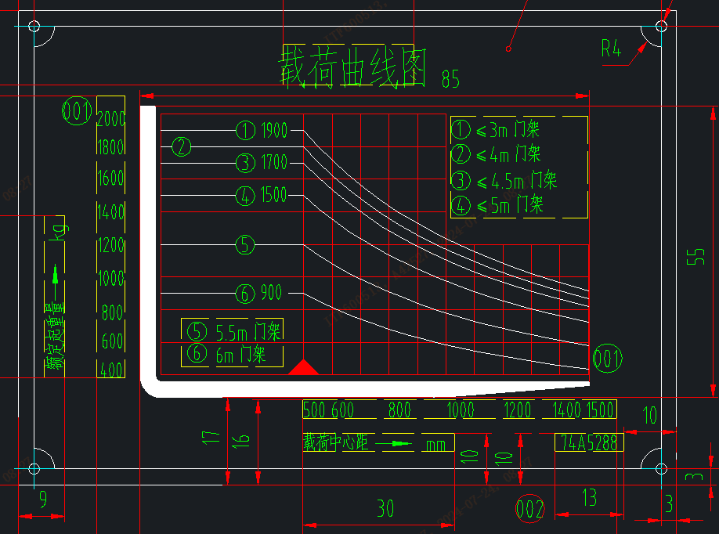
 |  |  |  | Mast Capacity Chart 门架载荷表 |  |  |  |  |  | CPD20EMJ

Mast Type 门架类型 | Maximum Fork Height (MFH) 最大起升高度 |  | Mast Overall Lowered Height (OAL) 门架高度 |  | Free Lift (FL) with Load Backrest 自由起升高度 |  | Mast Tilt Angle (F/B) 门架倾斜角度(前/后) | Rated Load Capacity 额定承载能力 |  |  |  | Total Weight with Standard Forks 带货叉时的整机重量
 |  |  |  |  |  |  |  | With Standard Forks 货叉 |  | With Sideshifter 侧移器
 | mm | in | mm | in | mm | in | degrees | kg @ 500mm LC | lbs @ 19.69" LC | kg @ 500mm LC | lbs @ 19.69" LC | kg | lbs
二级普通门架 Standard 2-Stage | 2000 | 79 | 1530 | 60 | 90 | 4 | 6 / 10 | 2000 | 4000 | 1850 | 3700 | 3196 | 7045
 | 2500 | 98 | 1780 | 70 | 90 | 4 | 6 / 12 | 2000 | 4000 | 1850 | 3700 | 3246 | 7157
 | 3000 | 118 | 2030 | 80 | 90 | 4 | 6 / 12 | 2000 | 4000 | 1850 | 3700 | 3268 | 7205
 | 3300 | 130 | 2180 | 86 | 90 | 4 | 6 / 12 | 2000 | 4000 | 1850 | 3700 | 3290 | 7252
 | 3500 | 138 | 2280 | 90 | 90 | 4 | 6 / 12 | 2000 | 4000 | 1850 | 3700 | 3304 | 7284
 | 4000 | 157 | 2580 | 102 | 90 | 4 | 6 / 6 | 2000 | 4000 | 1850 | 3700 | 3376 | 7443
 | 4500 | 177 | 2830 | 111 | 90 | 4 | 6 / 6 | 1920 | 3840 | 1770 | 3540 | 3412 | 7522
 | 5000 | 197 | 3080 | 121 | 90 | 4 | 6 / 6 | 1660 | 3320 | 1510 | 3020 | 3448 | 7602
二级全自由门架 Full Free 2-Stage | 2700 | 106 | 1950 | 77 | 901 | 35 | 6 / 12 | 2000 | 4000 | 1850 | 3700 | 3272 | 7214
 | 3000 | 118 | 2100 | 83 | 1051 | 41 | 6 / 12 | 2000 | 4000 | 1850 | 3700 | 3298 | 7272
 | 3300 | 130 | 2250 | 89 | 1201 | 47 | 6 / 12 | 2000 | 4000 | 1850 | 3700 | 3322 | 7324
 | 3500 | 138 | 2350 | 93 | 1301 | 51 | 6 / 12 | 2000 | 4000 | 1850 | 3700 | 3338 | 7358
三级全自由门架 Full Free 3-Stage | 3600 | 141.7 | 1800 | 70.9 | 751 | 29.6 | 6 / 6 | 1800 | 3600 | 1650 | 3300 | 3382 | 7455
 | 4000 | 157.5 | 1930 | 76.0 | 881 | 34.7 | 6 / 6 | 1800 | 3600 | 1650 | 3300 | 3414 | 7526
 | 4300 | 169.3 | 2030 | 79.9 | 981 | 38.6 | 6 / 6 | 1700 | 3400 | 1550 | 3100 | 3435 | 7574
 | 4500 | 177.2 | 2100 | 79.9 | 1051 | 41.4 | 6 / 6 | 1700 | 3400 | 1550 | 3100 | 3451 | 7607
 | 4700 | 185.0 | 2170 | 82.7 | 1121 | 44.1 | 6 / 6 | 1500 | 3000 | 1350 | 2700 | 3466 | 7641
 | 5000 | 196.9 | 2270 | 85.4 | 1221 | 48.1 | 6 / 6 | 1500 | 3000 | 1350 | 2700 | 3488 | 7689
 | 5500 | 216.5 | 2520 | 89.4 | 1471 | 57.9 | 6 / 6 | 1200 | 2400 | 1050 | 2100 | 3568 | 7866
 | 6000 | 236.2 | 2770 | 99.2 | 1721 | 67.8 | 6 / 6 | 900 | 1800 | 750 | 1500 | 3621 | 7982

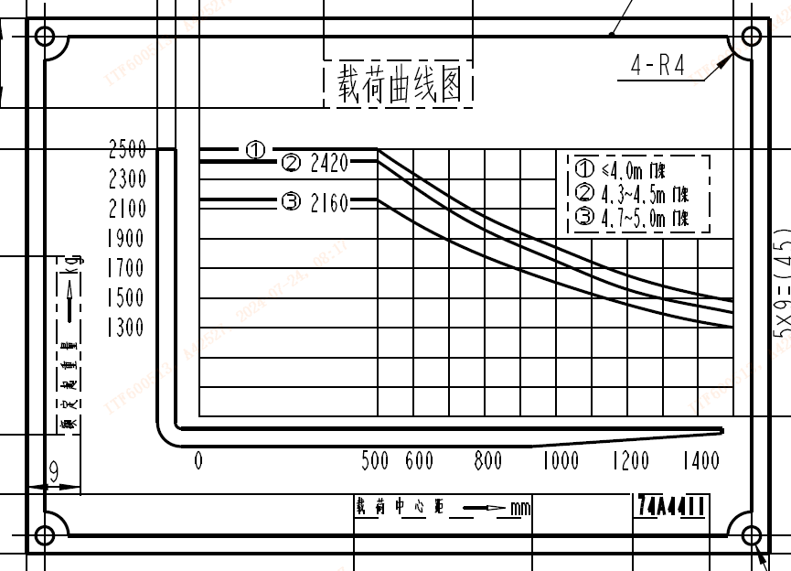
 |  |  |  | Mast Capacity Chart 门架载荷表 |  |  |  |  |  | CPD25EMJ

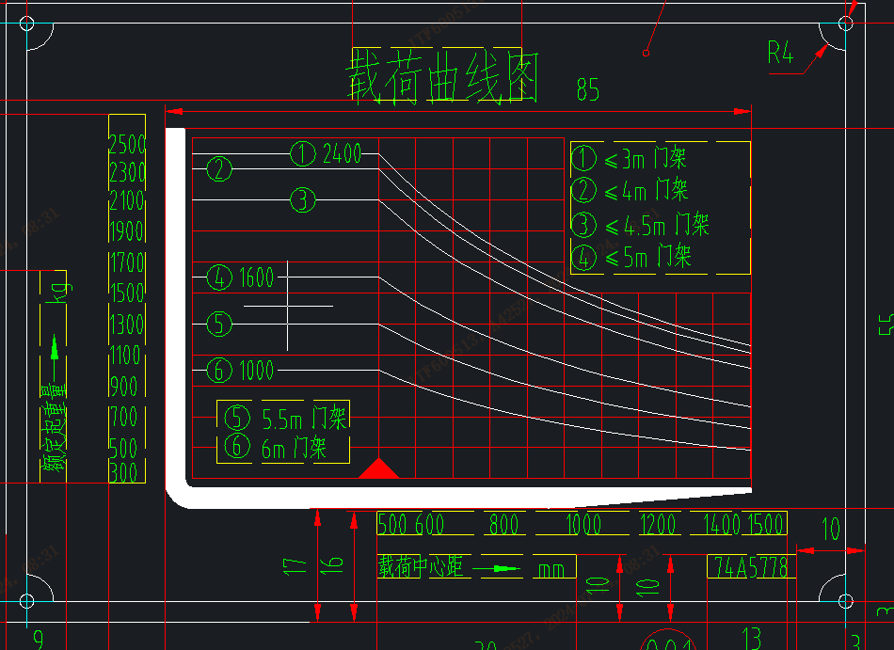
Mast Type 门架类型 | Maximum Fork Height (MFH) 最大起升高度 |  | Mast Overall Lowered Height (OAL) 门架高度 |  | Free Lift (FL) with Load Backrest 自由起升高度 |  | Mast Tilt Angle (F/B) 门架倾斜角度(前/后) | Rated Load Capacity 额定承载能力 |  |  |  | Total Weight with Standard Forks 带货叉时的整机重量
 |  |  |  |  |  |  |  | With Standard Forks 货叉 |  | With Sideshifter 侧移器
 | mm | in | mm | in | mm | in | degrees | kg @ 500mm LC | lbs @ 19.69" LC | kg @ 500mm LC | lbs @ 19.69" LC | kg | lbs
二级普通门架 Standard 2-Stage | 2000 | 79 | 1530 | 60 | 90 | 4 | 6 / 10 | 2500 | 5000 | 2350 | 4700 | 3516 | 7751
 | 2500 | 98 | 1780 | 70 | 90 | 4 | 6 / 12 | 2500 | 5000 | 2350 | 4700 | 3566 | 7862
 | 3000 | 118 | 2030 | 80 | 90 | 4 | 6 / 12 | 2500 | 5000 | 2350 | 4700 | 3588 | 7910
 | 3300 | 130 | 2180 | 86 | 90 | 4 | 6 / 12 | 2500 | 5000 | 2350 | 4700 | 3610 | 7958
 | 3500 | 138 | 2280 | 90 | 90 | 4 | 6 / 12 | 2500 | 5000 | 2350 | 4700 | 3624 | 7990
 | 4000 | 157 | 2580 | 102 | 90 | 4 | 6 / 6 | 2500 | 5000 | 2350 | 4700 | 3696 | 8148
 | 4500 | 177 | 2830 | 111 | 90 | 4 | 6 / 6 | 2420 | 4840 | 2270 | 4540 | 3732 | 8227
 | 5000 | 197 | 3080 | 121 | 90 | 4 | 6 / 6 | 2160 | 4320 | 2010 | 4020 | 3768 | 8307
二级全自由门架 Full Free 2-Stage | 2700 | 106 | 1950 | 77 | 901 | 35 | 6 / 12 | 2500 | 5000 | 1850 | 3700 | 3592 | 7919
 | 3000 | 118 | 2100 | 83 | 1051 | 41 | 6 / 12 | 2500 | 5000 | 2350 | 4700 | 3618 | 7977
 | 3300 | 130 | 2250 | 89 | 1201 | 47 | 6 / 12 | 2500 | 5000 | 2350 | 4700 | 3642 | 8029
 | 3500 | 138 | 2350 | 93 | 1301 | 51 | 6 / 12 | 2500 | 5000 | 2350 | 4700 | 3658 | 8064
三级全自由门架 Full Free 3-Stage | 3600 | 142 | 1800 | 71 | 751 | 30 | 6 / 6 | 2300 | 4600 | 2150 | 4300 | 3702 | 8161
 | 4000 | 157 | 1930 | 76 | 881 | 35 | 6 / 6 | 2300 | 4600 | 2150 | 4300 | 3734 | 8231
 | 4300 | 169 | 2030 | 80 | 981 | 39 | 6 / 6 | 2100 | 4200 | 1950 | 3900 | 3755 | 8279
 | 4500 | 177 | 2100 | 80 | 1051 | 41 | 6 / 6 | 2100 | 4200 | 1950 | 3900 | 3771 | 8313
 | 4700 | 185 | 2170 | 83 | 1121 | 44 | 6 / 6 | 1600 | 3200 | 1450 | 2900 | 3786 | 8346
 | 5000 | 197 | 2270 | 85 | 1221 | 48 | 6 / 6 | 1600 | 3200 | 1450 | 2900 | 3808 | 8394
 | 5500 | 217 | 2520 | 89 | 1471 | 58 | 6 / 6 | 1300 | 2600 | 1150 | 2300 | 3888 | 8571
 | 6000 | 236 | 2770 | 99 | 1721 | 68 | 6 / 6 | 1000 | 2000 | 850 | 1700 | 3941 | 8688

CPCD25SRT
 |  |  |  |  | Mast Capacity Chart |  |  |  |  |  | CPC(D)25
门架类型 Mast Type | 最大举升高度 Maximum Fork Height (MFH) |  | 门架高度 Mast Overall Lowered Height (OAL) |  | 自由起升高度 Free Lift (FL) with Load Backrest* |  | 门架倾斜角度(前/后) Mast Tilt Angle (F/B) | 额定承载能力 Rated Load Capacity |  |  |  | 带货叉时的整机重量 Total Weight with Standard Forks
 |  |  |  |  |  |  |  | 货叉 With Standard Forks |  | 侧移器 With Sideshifter |  | CPC(D)25
 | Forks | side shifter
 | mm | in | mm | in | mm | in | degrees | kg @ 500mm LC | lbs @ 20in LC | kg @ 500mm LC | lbs @ 20in LC | kg | lbs
二级普通门架 Standard 2-Stage | 2000 | 78.7 | 1530 | 60.2 | 140 | 5.5 | 6 / 10 | 2500 | 5000 | 2350 | 4700 | 3485 | 7683
 | 2500 | 98.4 | 1780 | 70.1 | 140 | 5.5 | 6 / 12 | 2500 | 5000 | 2350 | 4700 | 3520 | 7760
 | 3000 | 118.1 | 2030 | 79.9 | 140 | 5.5 | 6 / 12 | 2500 | 5000 | 2350 | 4700 | 3555 | 7837
 | 3300 | 129.9 | 2180 | 85.8 | 140 | 5.5 | 6 / 12 | 2500 | 5000 | 2350 | 4700 | 3575 | 7881
 | 3500 | 137.8 | 2280 | 89.8 | 140 | 5.5 | 6 / 12 | 2500 | 5000 | 2350 | 4700 | 3590 | 7915
 | 4000 | 157.5 | 2580 | 101.6 | 140 | 5.5 | 6 / 6 | 2300 | 4600 | 2150 | 4300 | 3700 | 8157
 | 4500 | 177.2 | 2830 | 111.4 | 140 | 5.5 | 6 / 6 | 2100 | 4200 | 1950 | 3900 | 3805 | 8389
 | 5000 | 196.9 | 3080 | 121.3 | 140 | 5.5 | 3 / 6 | 1900 | 3800 | 1750 | 3500 | 3910 | 8620
二级全自由门架 Full Free 2-Stage | 2700 | 106.3 | 1950 | 76.8 | 830 | 32.7 | 6 / 12 | 2500 | 5000 | 1850 | 3700 | 3550 | 7826
 | 3000 | 118.1 | 2100 | 82.7 | 980 | 38.6 | 6 / 12 | 2500 | 5000 | 2350 | 4700 | 3585 | 7903
 | 3300 | 129.9 | 2250 | 88.6 | 1130 | 44.5 | 6 / 12 | 2500 | 5000 | 2350 | 4700 | 3605 | 7948
 | 3500 | 137.8 | 2350 | 92.5 | 1230 | 48.4 | 6 / 12 | 2500 | 5000 | 2350 | 4700 | 3665 | 8080
三级全自由门架 Full Free 3-Stage | 3600 | 141.7 | 1800 | 70.9 | 781 | 30.7 | 6 / 6 | 2300 | 4600 | 2150 | 4300 | 3780 | 8333
 | 4000 | 157.5 | 1930 | 76.0 | 911 | 35.9 | 6 / 6 | 2150 | 4300 | 2000 | 4000 | 3815 | 8411
 | 4300 | 169.3 | 2030 | 79.9 | 1011 | 39.8 |  | 2100 |  | 1950 | 3900 | 3845
 | 4500 | 177.2 | 2100 | 79.9 | 1081 | 42.6 | 6 / 6 | 2000 | 4000 | 1850 | 3700 | 3865 | 8521
 | 4700 | 185.0 | 2170 | 82.7 | 1151 | 45.3 | 6 / 6 | 1900 | 3800 | 1750 | 3500 | 3875 | 8543
 | 5000 | 196.9 | 2270 | 85.4 | 1251 | 49.3 | 3 / 6 | 1800 | 3600 | 1650 | 3300 | 4025 | 8874
 | 5500 | 216.5 | 2520 | 89.4 | 1341 | 52.8 | 3 / 6 | 1500 | 3000 | 1350 | 2700 | 4205 | 9270
 | 6000 | 236.2 | 2760 | 99.2 | 1501 | 59.1 | 3 / 6 | 1200 | 2400 | 1050 | 2100 | 4255 | 9381

